Readme
ReadMe
 | This is the documentation on the systematic development and structural configuration of the Gamebus Campaigns for the long-term trials of the HealthyW8 Project
Sheet Index
Sheet # | Sheet Name | Purpose
1 | Experts Groups | Table where designated experts from the different partner institutes select a dimension and age group for which they are developing campaign content.
2 | Level Systematic | Main structure of the level progression mechanics of the long-term trial campaigns. This is based on the TTM theoretical framework
3 | Activity Matrix | Mapping of the (selected) behavioral change variables per dimension, their corresponding activity tracks and a general description of the tasks matching each TTM stage
4 | Task breakdown | Specific break down of tasks in all different TTM-based levels and their corresponding configuration in Gamebus
5 | TTM - Task Creation Guidelines | TTM SOC based guidelines helpful to create tasks for each of the dimensions
6 | Gamification Guidelines | Checklist of possible gamification elements based on the SDT theoretical background
7 | Calendar &Seasonal Timelines | Calendar of the long-term trial timeframe and overview of seasonal waves timelines
8 | Terminology | Shows terminology used in this document
9 | Lists | Base options for pivot tables (DO NOT TOUCH! Unless you want to add a new "Task Type" Option)

Instructions

1. | Go to Sheet 1 (Experts Groups) and select the dimension and age group for which you are focusing in creating campaign content. Take into account your expertise and age group trial in which you are already involved. The objective of this table is to create 9 dedicated expert groups that will focus on creating content (tasks) for each age group on the designated dimension.
2. | The theoretical background of the new campaign design is based on the Transtheoretical Model - Stages of Change (TTM SOC) and the Self-Determination Theory (SDT). The tasks and levels are going to be modelled after TTM and the overarching game elements are modelled after the SDT.
3. | To get a general overview of the proposed design framework and its theoretical base it is recommended to:
 | A. Check the video of the explanation of the Gamebus Campaign Design Framework: |  | https://cloud.lih.lu/f/1936355
 | B. Check the corresponding slides also containing all relevant information on the Gamebus Campaign Design Framework: |  |  | https://cloud.lih.lu/f/1936147
 | C. For punctual clarifications or questions, contact relevant partners: Angélica López - DFKI ( maria.lopez@dfki.de), Serge Autexier - DFKI (serge.autexier@dfki.de), Chungwan (Hugo) Lo - BIPS (lo@leibniz-bips.de)
4. | After a general overview of the framework you can head to Sheet 5 (TTM - Task Creation Guidelines), which was created as an initial guide of content creation based on the TTM stages of change. It gives examples of the types of tasks and content that belong to each of the TTM stages.
5. | Sheet 2 (Level Systematic) contains the summarized overview of the content and systematic associated to each Gamebus level. The campaigns will have 8 levels in total (per Activity Track). Each level will contain a combination of sustenance and transition tasks matching the different TTM Stages ( PC: Precontemplation, C: Contemplation, P: Preparation, A: Action, M: Maintenance)
6. | Once you get an idea on how the tasks and levels are configured you can then go to Sheet 3 (Activity Matrix), which contains the overall mapping of dimension (PA, Nutrition, Mindfulness) to behavioral change variable (e.g., step count, water intake, sleep) to activity track (e.g., Jogging,5 a day, Sleep Hygiene) and finally to the tasks maching each TTM Stage. (The defined variables and activity tracks are yet to be defined. This document contains inittial suggestions)
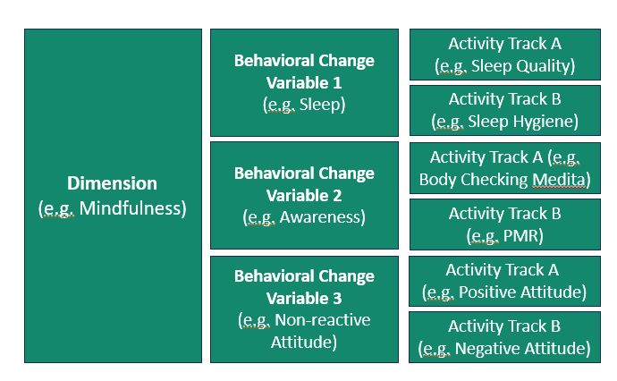

7. | Having that structure above as a base, you can start adding into Sheet 3 (Activity Matrix) general descriptions or goals of each TTM-stage-based task per activity track . Sheet 3 is meant to be a general mapping and content overview. In the case of step count, the general description of PC1 is " (Awareness of) Current Step Count" and PC2 is a "Step Tracking Check". Be mindful of the "sustenance" (PC1) and "transition" (PC2*) content type.
8. | Sheet 4 (Task Breakdown) includes a granular description and settings of each of the tasks that are originally mapped into the Activity Matrix (Sheet 3). This is the main working sheet.
9. | Minding the codes for the behavioral change variables, type of activity and TTM stage is relevant as it connects the activity matrix with the content at the task breakdown sheet. Each task will have its code consisting of : (TTMStage)(TaskNo). - Type of Activity - TargetGroup . If one has the code: PC1- PA1 - A - Young , one can infer that this is a sustainance task (1) of the Precontemplation Stage (PC) for the Activity Step Count (PA1 - A) and targeted at young adults (Young)
10. | Now you can create an entry for each one of your tasks at the Task Breakdown (Sheet 4) considering that:
 | A. Select appropiate wave: Main, Spring, Summer, Autumn, Winter, Easter, Christmas. The main TTM-based structure is always "Main",
 | B. Connect Task Breakdown Entry with Activity Matrix through "Task Code" (behavioral Change Variable, Type of Activity, TTM Stage, Task No.)
 | C. Select appropriate Task Type. As defined by the TTM Guidelines (Sheet 5) or by creating a new type (Sheet 9)
 | D. Add associated SDT mechanism (Optional). The support for this can be found on Sheet 6 (Gamification Guidelines)
 | E. Add Task Title (Task name to be displayed in gameBus Campaign)
 | F. Select Target Group (Young, Elderly, Children)
 | G. Add a Short Description of Task and, if needed, some extra notes for configuration
 | H. Select Appropriate Gamebus configuration settings ( reward count, timeframe to reset, requirements, allowed activity type, conditions, points, data providers). For Documentation on this head to :https://campaigns.healthyw8.gamebus.eu/editor/docs
 | I. Update Current Status. To keep log of when it was created and/or updated, implemented into Gamebus campaign and, if possible, by whom.

5. TTM-Task Creation Guidelines
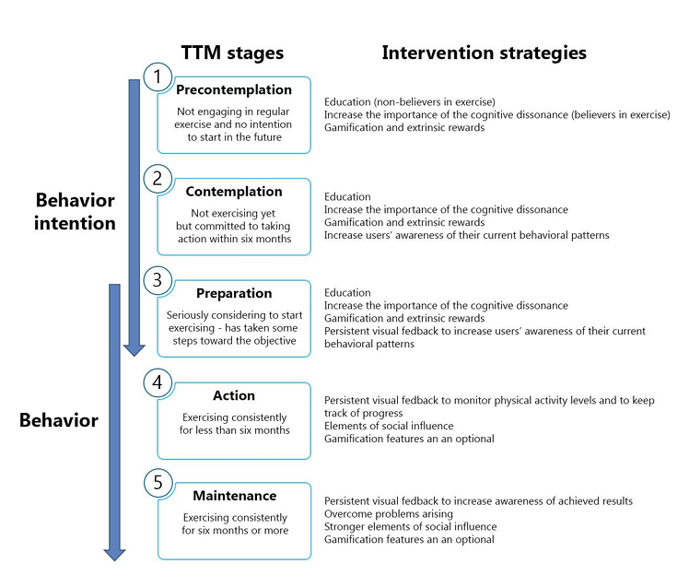
 |  | What to have in mind when creating tasks? |  |  |  |  |  |  |  | NOT included into Design
 |  | PreContemplation |  | Contemplation |  | Preparation |  | Action | Maintenance | Termination
 |  | No intention to change; no awareness of the problem |  | Thinking about change; No action yet |  | Firm intention and preparation (e.g., registering at the gym, making a plan) |  | Initially active implementation; behavior is displayed regularly | Behavior is maintained over a longer period of time; relapse prevention (regular follow-ups) | Behavior is automated; no relapse risk
 |  | PC1 (Sustenance) | PC2* (Transition) | C1 (Sustenance) | C2* (Transition) | P1 (Sustenance) | P2* (Transition) | A1*- A4* (Transition) | M1 - M4 (Sustenance)
PA | Example | "Sport? That is not for me" |  | "I should move more" |  | "I will start jogging next week" |  | "I have been jogging for 2 weeks" | "I have been jogging regularly for the last 6 months"
 | Task Type(s) | Survey Questions - Info Tips - Videos - Quizzes | Survey Questions- Quizzes | Info Tips - Videos - Quizzes | Survey Questions- Quizzes | -Instructions - Tutorials - Guidance Videos - Planning Tasks | -Instructions​ - Tutorials​ - Guidance​ - Activity Logging Tasks | Activity Logging Tasks | Activity Logging Tasks
 | Content Operationalization | -Health information - Awareness raising - Risk clarification - Showing role models ("What do I get from exercise?") | -Reflective questions ​ -Pondering Benefits ​ -Commitment consideration | -Emotional arguments - Pros and Cons - Success stories | -Barrier identification​ -Solution Brainstorming​ -(First) Realistic Goal-Settings | -Goal setting & (action) planning support – Anticipate obstacles and develop coping strategies - Social support | -Concrete action planning​: "When, where,how, with whom, how often? -First actions​ -Support network assesment | -Reward systems - Self-monitoring - Reinforcement through (progress) feedback - Social support (e.g. group training) - Relapse prevention | -Routine establishment - Reward successes - Emphasize fun (add variability) - Normalize relapse and support re-engagement
Nutrition | Example | "I just eat what I enjoy" |  | "I know I should eat healthier" |  | "I bought a cookbook with healthy recipes and I'm planning to cook a healthy meal next week" |  | "I've been eating healthy snacks every day for the past week" | "I've consistently focused on a balanced diet for the last year "
 | Task Type(s) | Survey Questions - Info Tips - Videos - Quizzes | Survey Questions - Quizzes | Info Tips - Videos - Quizzes | Survey Questions- Quizzes | Instructions - Tutorials - Guidance Videos - Planning Tasks | -Instructions​ - Tutorials​ - Guidance​ - Activity Logging Tasks | Activity Logging Tasks | Activity Logging Tasks
 | Content Operationalization | - Addressing common myths - Current eating habits - Basic Nutrition Knowledge | - Reflective questions about desired outcomes - Assessing openness to change eating habits | - Pros and Cons of healthy eating - Emotional connections to food and eating - Basic understanding of food labels | -Barrier identification​ -Solution Brainstorming​ -(First) Realistic Goal-Settings | - Guidance on Meal Planning (with Nutrida) , Grocery Shopping - Minding Food Labels - Checking easy recipes - Planning first meals - Identifying obstacles for healthy eating | - Concrete action planning: Meal Planning with Nutrida, Exploring App - Introducing (new) healthy food and recipes to try | - Self-Monitoring Tasks (e.g., fiber, protein, fat, sodium, water intake) - Check progress in Nutrida (Referring to Stats) - Social support - Relapse Prevention | -Routine establishment - Reward successes (e.g., Nutrida Performance Stats) - Add variability (food, new recipes) - Normalize relapse and support re-engagement
Mental | Example | "I'm generally okay, even if I feel tired or disconnected sometimes" |  | "I've been feeling run down and wondering if I should prioritize sleep" |  | " I am planning to set a bedtime routine" |  | "I am sleeping between 7-8 hours each night for the last two weeks" | "I have set and followed a sleep routine for the last 6 months"
 | Task Type(s) | Survey Questions - Info Tips - Videos - Quizzes | Survey Questions - Quizzes | Info Tips - Videos - Quizzes | Survey Questions - Quizzes | Instructions - Tutorials - Guidance Videos and Audios- Planning Tasks | -Instructions​ - Tutorials​ - Guidance​ - Activity Logging Tasks | Activity Logging Tasks | Activity Logging Tasks
 | Content Operationalization | - Awareness raising (connection between mental health and overall wellbeing) - Debunking stigmas - Highlight importance of self-care. | -Reflective questions ​(e.g. Current stressors, sleep hygiene, awareness) -Commitment consideration (prioritizing Mental Health) | -Information on stress management techniques - Initial assesment of stress triggers - Pros and Cons of coping startegies | - Identifying triggers and common barriers of self-care - First approaches to mindfulness exercises (body scanning) | - Planning self-care routines -Tutorials on relaxation techniques, meditation, body scanning, journalling - Support network assesment | - Detailed planning and goal-setting - Identifying obstacles and backup plans - First action steps | - Self-Monitoring Tasks - Social Support -Relapse Prevention | -Routine establishment - Reward successes - Emphasize fun (add variability) - Normalize relapse and support re-engagement

